0. Instruction
 | IT-Security questionnaire for MAE - Instructions

 | General notes
 | Product responsibility | A production planner that chooses IT-products is the product-responsible for this selection for the entire service life of the product.

 | Scope | This checklist helps assessing the IT-Security of machines, installations and production equipment or components and/or product groups. It especially supports the analysis and comparison of new MAE within the framework of the procurement process.
 | Procedure | The questionnaire asks questions about various security-relevant areas. The Bosch-Norm is used during the purchase of IT-devices or MAE. A preselection was done in order to keep the number of points in the evaluation sheet manageable. Tab 1 in the questionnaire divided into: - Processes - Hardware - Security updates - Software - Training - Maintenance - IT-Security of the organization - Backup and Recovery - Emergency planning - Remote maintenance/Remote access - Data processing Tab 2 in the questionnaire is divided into: - General - Sustainability - Hardening - Terms of a license - Authentication - Network - Wireless communication Tab 3 prompts for details of the IT-devices. This way, a comparison of the deliverabilities from tab 1 and up to the IT-device capabilities from tab 3 is made possible. Tab 4 of the questionnaire asks questions about the details of the IT-device in the context of the MAE. In the end, an inventory of the IT-devices installed in the machine should be created, which can be transferred to the CMDB and a network planning should be possible.
 | Protection from incorrect entries | Cells that should not be edited by the processor are generally protected. Sheet protection should therefore be removed only in exceptional cases.
 | Phases of execution | 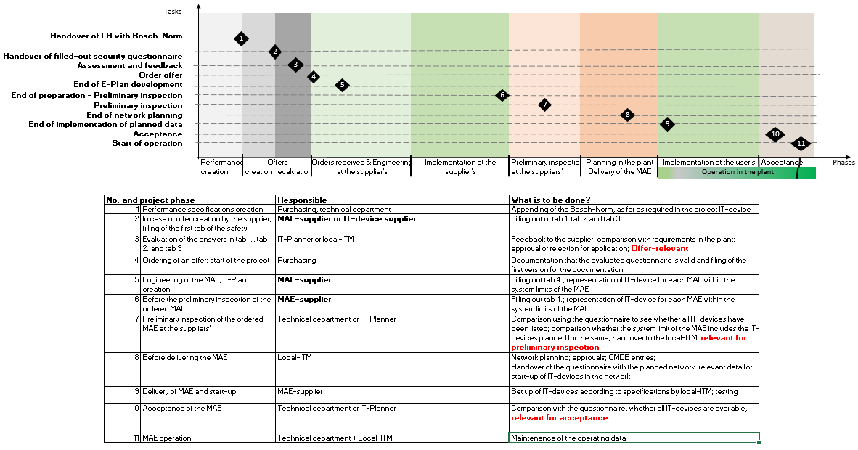
 | Notes on execution 1. | 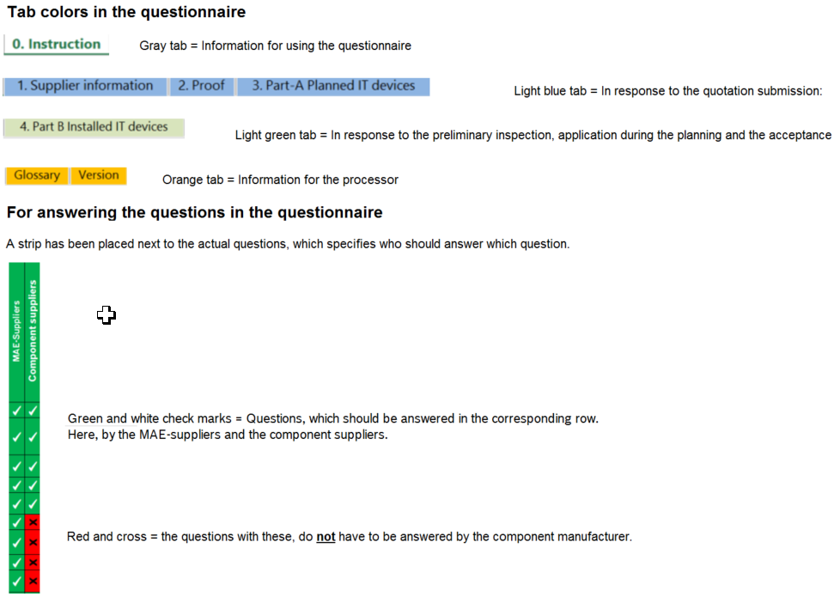
2 | Notes on execution 2. | 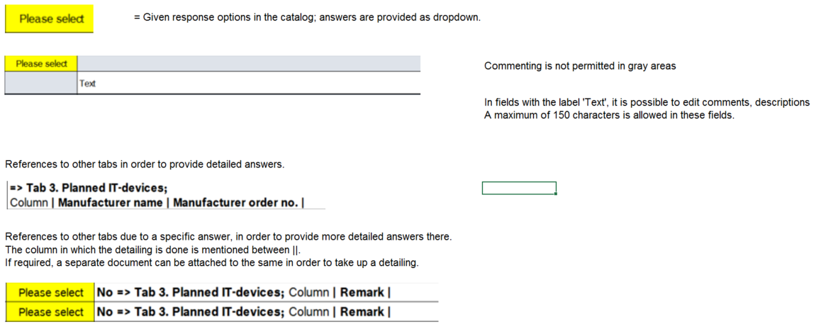
 | Notes on execution 3. | 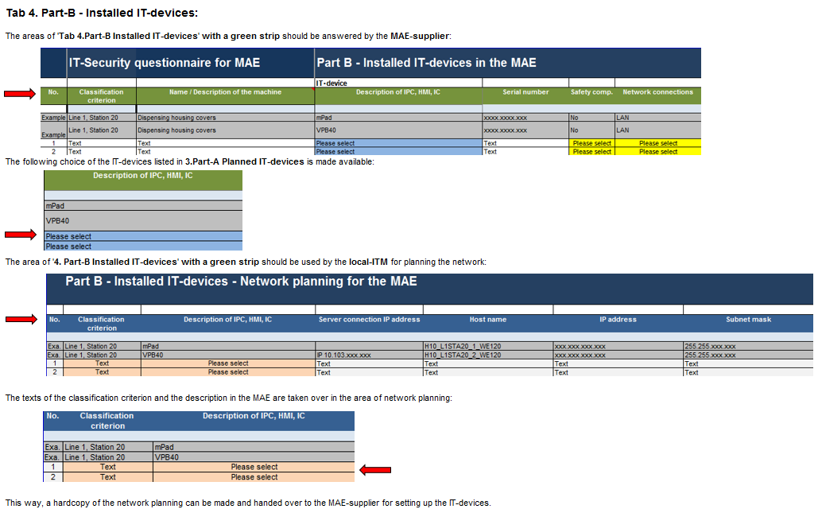
 |  | File name and versioning The IT-Security questionnaire should be named according to the following convention: Name [of the project]_inquiring operating unit [GB]_Date [Year][Month][Day]_Version[V.0.0].file extension. The main versions should be described as follows: • Version V.1.0 indicates the time after placement of order • Version V.2.0 indicates the time after project closure. Examples: • HDEV10_PS_20190228_V.1.0.xlsx = During order placement • HDEV10_PS_20190628_V.2.0.xlsx = During project closure Storage location Once the project has been finished, the completed IT security questionnaire must be stored in the following SharePoint: SharePoint: 2018_Purchasing_Guideline Select here the folder corresponding to the division.
 | Evaluation
 | Status | Version 2.0
 | Date | 2019-04-01
 | Author | C/TED1 Holtmannspötter

